1. Classification Tree
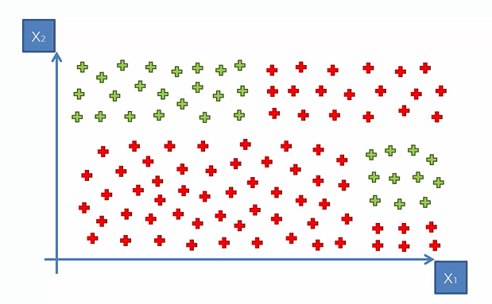
Let' Say we have data of 1 and 0 .. or the Red and Green as the Y or Response variable.
Classification Decision Tree in CART would try and make some splits that would try to classify 1 and 0 in a better manner.

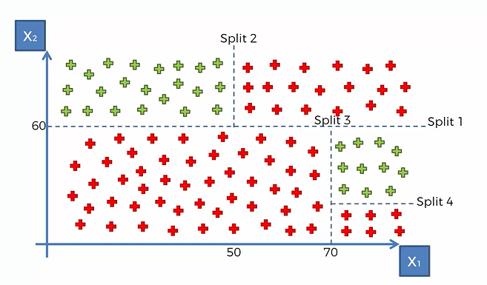
The Tree would try and split in a way to get the boundaries for 1 and 0.
Look at Split 1: Above and Below 60 for X2
Split2: Above 60 of X2 and above and below 50 for X1

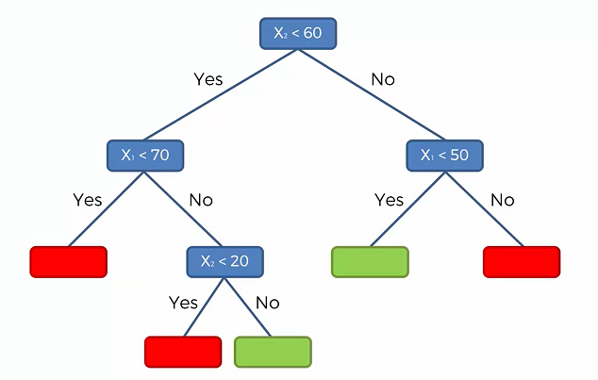

These splits 1-4 can be interpreted in a Decision tree in the shown Graph.
Red are 1 and green are 0 for the classification problem.
Now how to decide the ROOT NODE?

2. Entropy + Info Gain
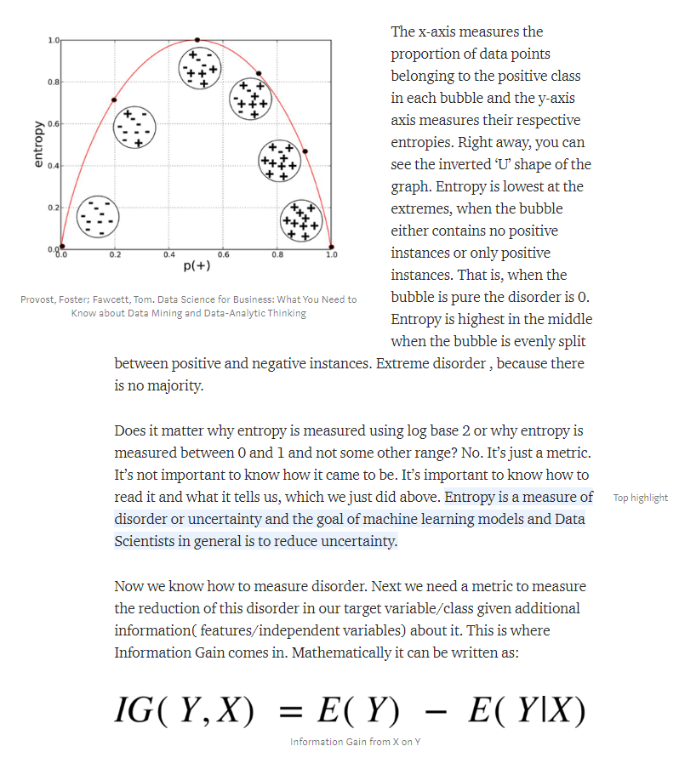
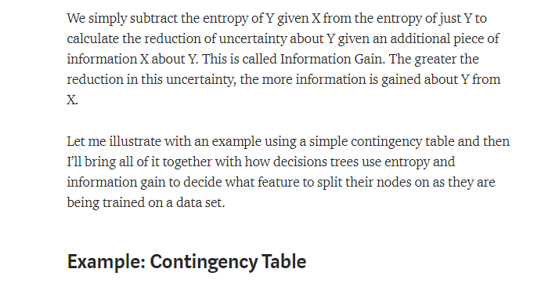
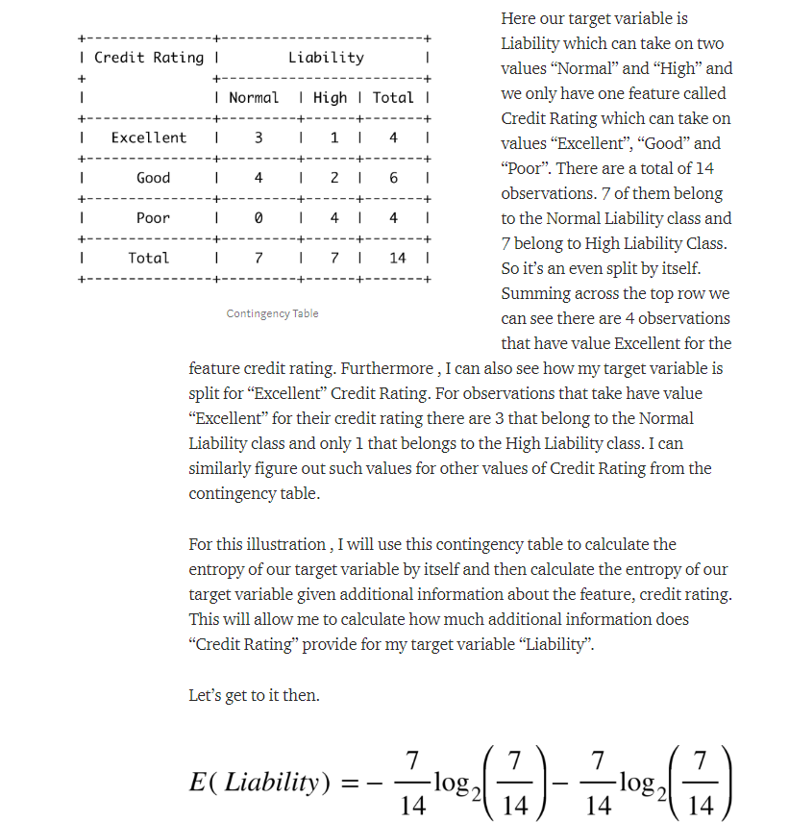
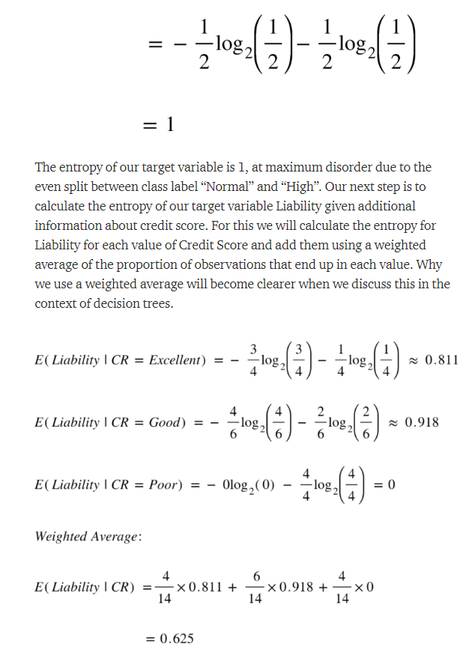
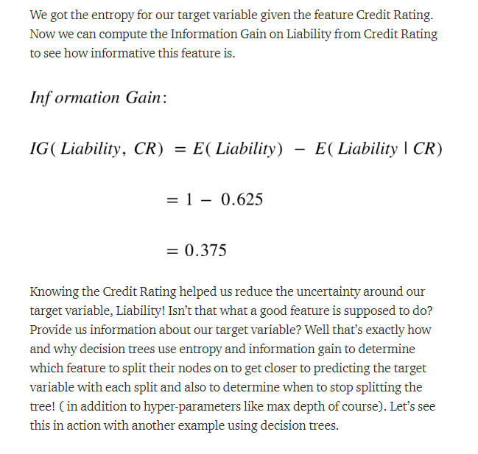
nnn
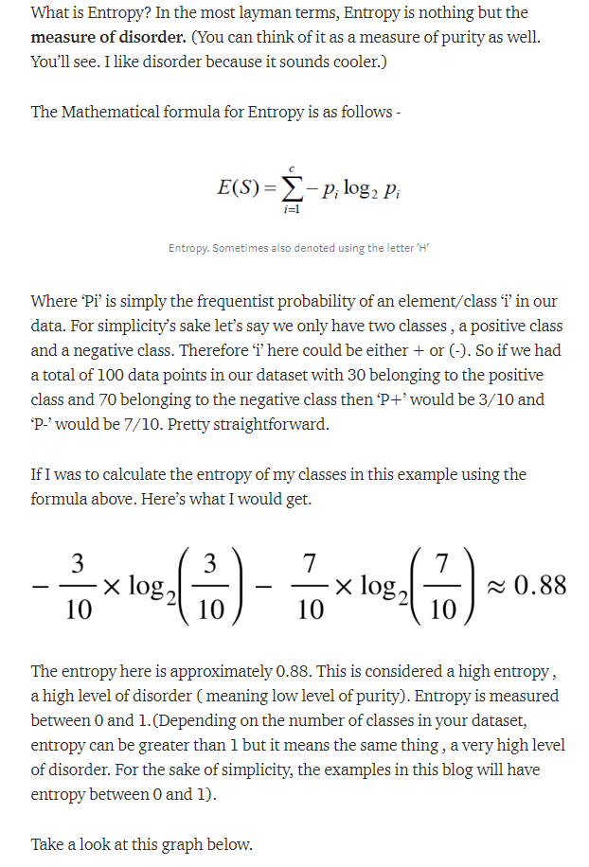
So if I have 100 customers: 90 are good and 10 are bad.
The Entropy would be less and any variable that could split well would help.

So if I have 100 customers: 50 are good and 50 are bad.
The Entropy would be high and any variable that could split well would help. However the data is such that to get the best split may be difficult.

Less entropy is for a Pure Node.
Higher the entropy higher the randomness and stability

3. Entropy+Info Ex Root Node
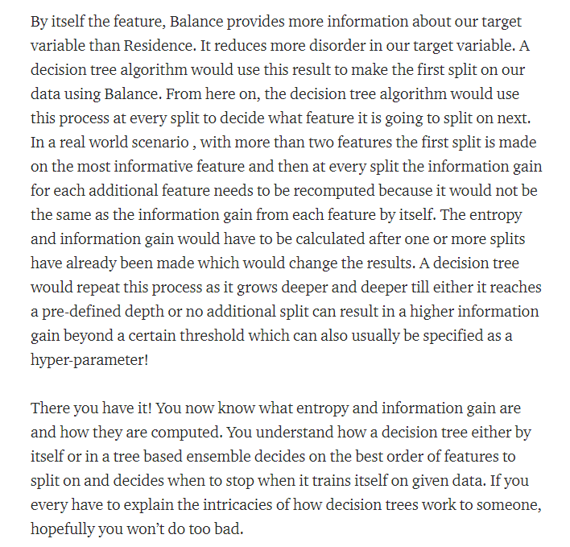
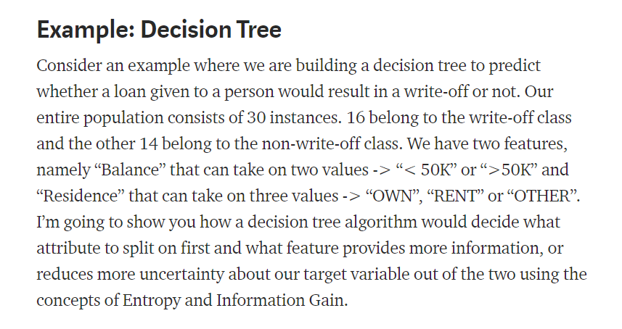

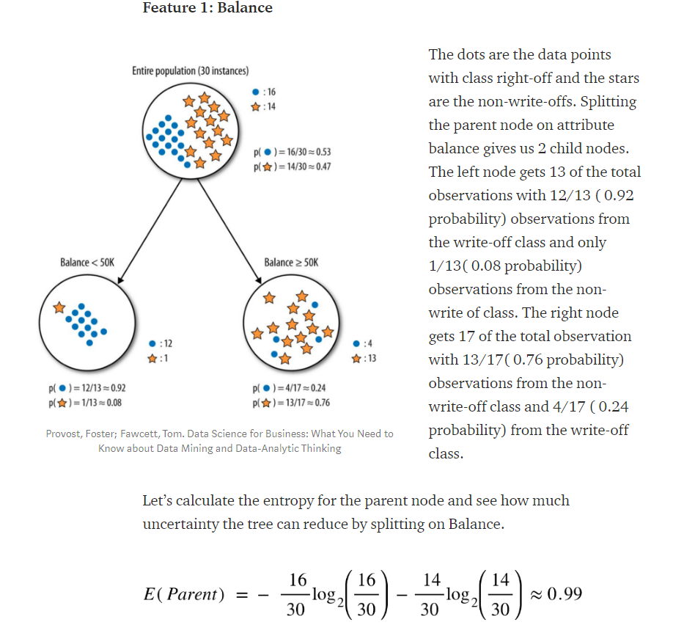

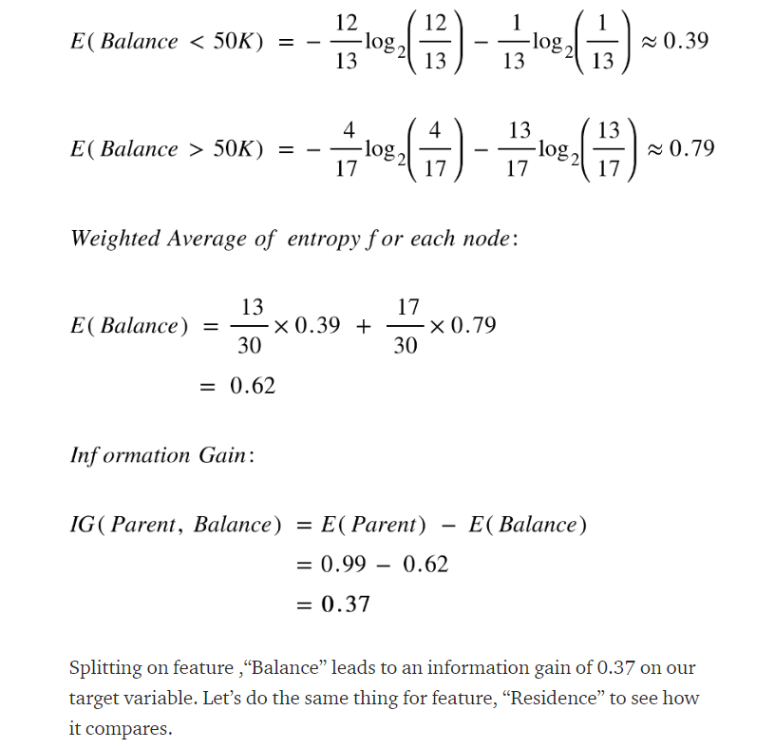

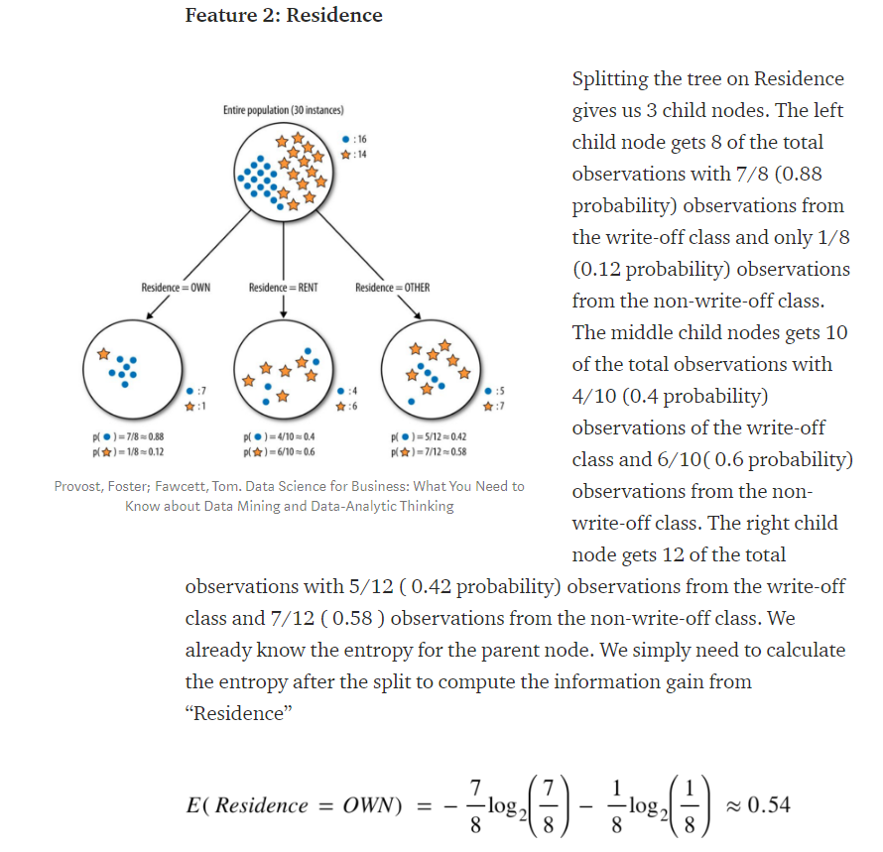

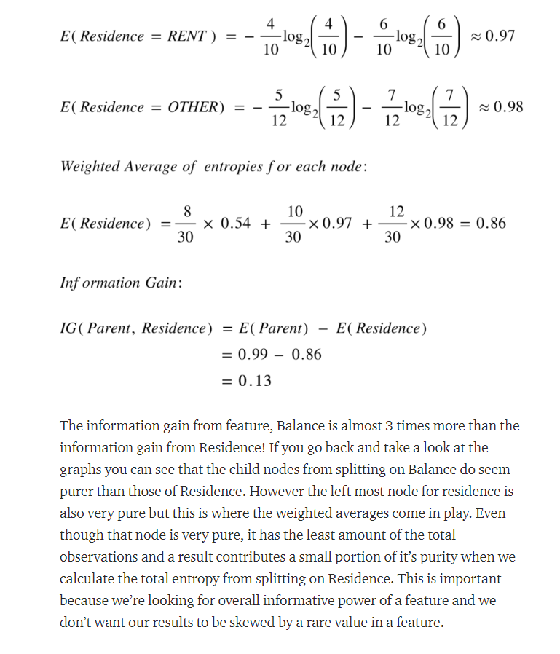

Higher the Information Gain... better is the split as the purity is increasing and moving towards 0.

